Sheet1
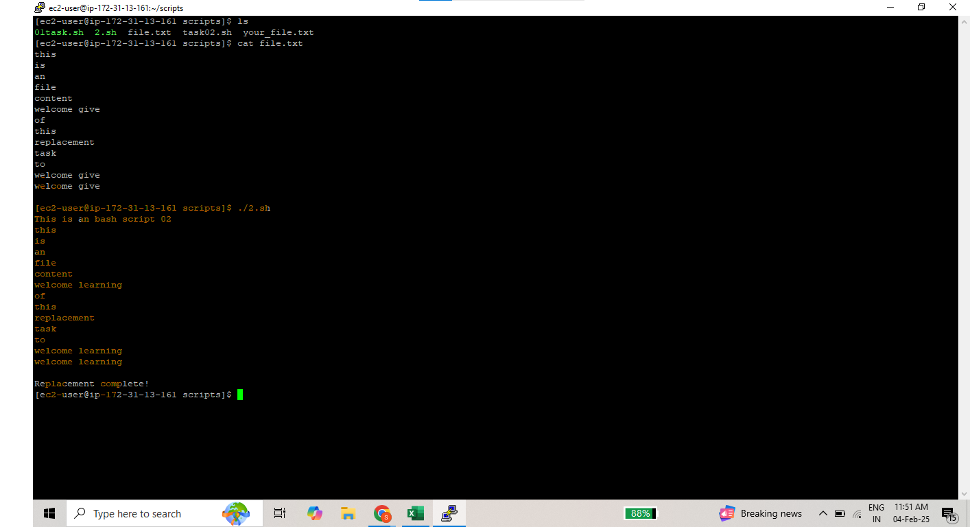
Scripting Task

Task:01 | HTTP Error code Type

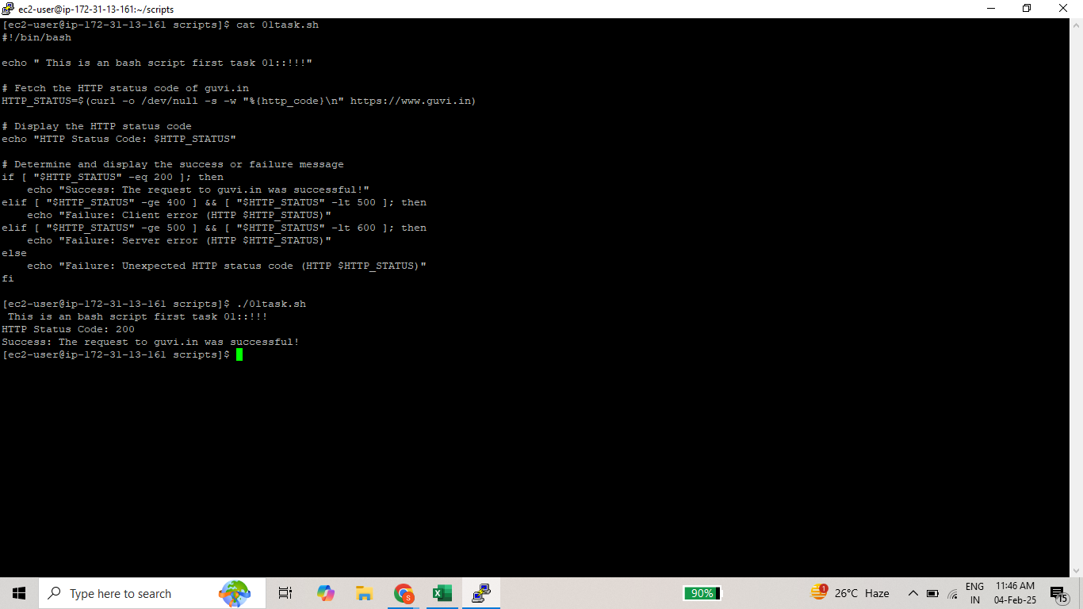

Task :02 | File Content Replacement task
 |  | (Before Replacement content)
 | Normal File Content

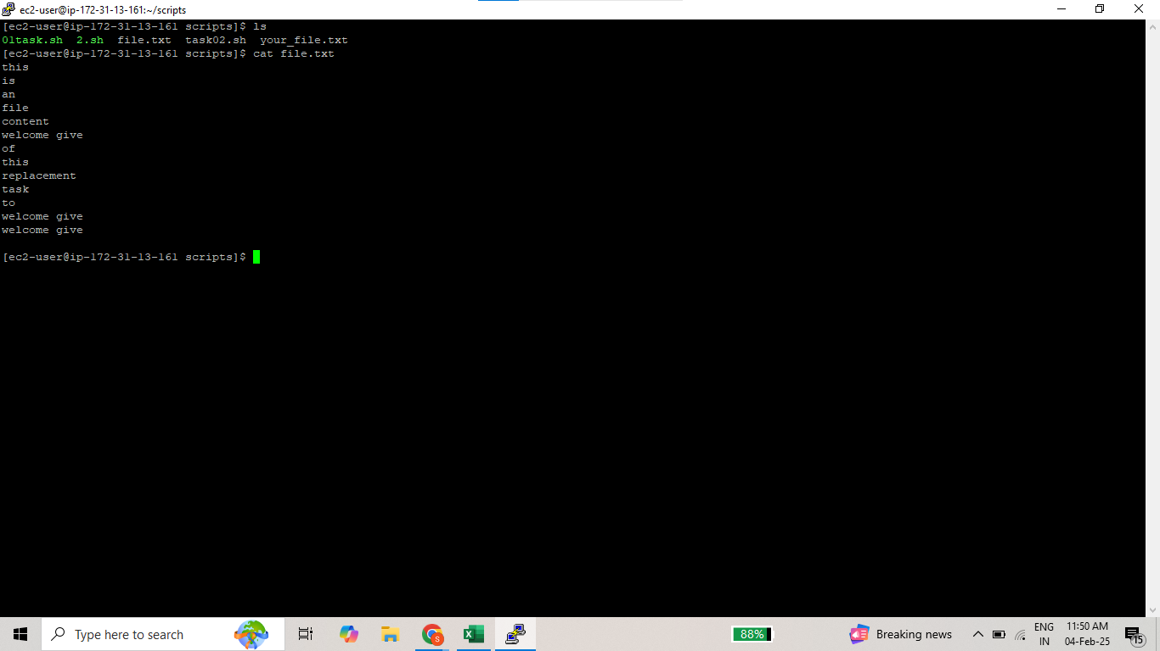

Output File | Updateed File Content

